Sheet1
Perancangan mixed vapor condenser

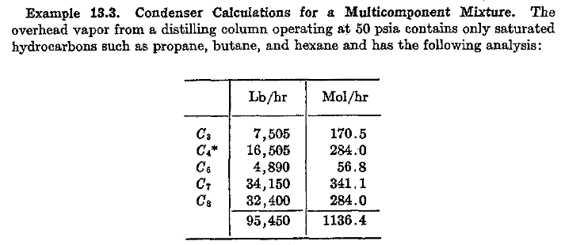

Solution

 | Dew point assumed | 283 | F |  |  | Bubble point assumed | 120 | F

 |  |  | Fig. 7 App |  |  |  | Fig. 7 App
 | mf | V1 | K1-283 F | V1/K1 |  | L1 | K1-120 F | K1.L1
 | C3 | 170.5 | 13.75 | 12.40 |  | 170.5 | 4.1 | 699.05
 | C4 | 284 | 6.18 | 45.95 |  | 284 | 1.39 | 394.76
 | C6 | 56.8 | 1.6 | 35.50 |  | 56.8 | 0.17 | 9.66
 | C7 | 341.1 | 0.825 | 413.45 |  | 341.1 | 0.06 | 20.47
 | C8 | 284 | 0.452 | 628.32 |  | 284 | 0.023 | 6.53
 |  | 1136.40 |  | 1135.63 |  | 1136.40 |  | 1130.46
 |  |  |  | Checked |  |  |  | Checked

Asumsi dibuat interval kondensasi pada suhu : |  |  |  |  | 270 | 250 | 230 | 200 | 160
Condensing range : 283-120 F

Range 1 | 283 - 270 | F
Trial, asumsi V/L : |  | 4.00
 |  |  |  |  |  | Eq. 3.19
 | mf | Y1 | K1-270 F | K1.V/L | 1+ (K1.V/L) | L1 = Y1 / (1 + (K1V/L))
 | C3 | 170.5 | 12.75 | 51 | 52 | 3.28
 | C4 | 284 | 5.61 | 22.44 | 23.44 | 12.12
 | C6 | 56.8 | 1.4 | 5.6 | 6.6 | 8.61
 | C7 | 341.1 | 0.705 | 2.82 | 3.82 | 89.29
 | C8 | 284 | 0.375 | 1.5 | 2.5 | 113.60
 |  | 1136.40 |  |  |  | 226.89 | = L = sigma L

 | V = Y1-L1 = | 909.51
 | V/L calc. | 4.009
 | V/L assumed | 4.00

dihitung dari tabel trial asumsi V/L dan nilai K
Point to point composition
L1 = Lc1 + L1'

T vapor (dew point) : | 283 | F | 270 |  |  | 250 |  |  | 230 |  |  | 200 |  |  | 160 |  |  | 120 (Bubble point)

 |  | Y1 | L1 | Y1 | Lc1 | L1' | Y1 | Lc1 | L1' | Y1 | Lc1 | L1' | Y1 | Lc1 | L1' | Y1 | Lc1 | L1'
 | C3 | 170.5 | 3.28 | 167.22 | 3.28 | 5.85 | 161.37 | 9.13 | 8.02 | 153.35 | 17.15 | 16.4 | 136.95 | 33.55 | 40.2 | 96.75 | 73.75 | 170.5
 | C4 | 284 | 12.12 | 271.88 | 12.12 | 20.81 | 251.07 | 32.93 | 26.04 | 225.03 | 58.97 | 46.6 | 178.43 | 105.57 | 83.7 | 94.73 | 189.27 | 284
 | C6 | 56.8 | 8.61 | 48.19 | 8.61 | 12.00 | 36.19 | 20.61 | 11.02 | 25.17 | 31.63 | 11.88 | 13.29 | 43.51 | 9.3 | 3.99 | 52.81 | 56.8
 | C7 | 341.1 | 89.29 | 251.81 | 89.29 | 94.50 | 157.31 | 183.79 | 63.6 | 93.71 | 247.39 | 51.6 | 42.11 | 298.99 | 31.8 | 10.31 | 330.79 | 341.1
 | C8 | 284 | 113.60 | 170.40 | 113.60 | 82.40 | 88.00 | 196.00 | 41.7 | 46.30 | 237.70 | 28.2 | 18.10 | 265.90 | 14.3 | 3.80 | 280.20 | 284
 |  | 1136.4 | 226.89 | 909.51 | 226.89 | 215.56 | 693.95 | 442.45 | 150.38 | 543.57 | 592.83 | 154.68 | 388.89 | 747.51 | 179.30 | 209.59 | 926.81 | 1136.40

Heat load untuk interval 270 ke 250 F

 |  |  | fig.10 App |  |  | fig.10 App
 |  | BM | Hv, 270 F | Y1 | Hv | Hl, 270 F | Lc1 | Hl
 | C3 | 44 | 324 | 167.2 | 2,383,905 | 210 | 3.28 | 30,297
 | C4 | 58 | 334 | 271.9 | 5,266,936 | 212 | 12.12 | 148,979
 | C6 | 86 | 352 | 48.2 | 1,458,927 | 226 | 8.61 | 167,267
 | C7 | 100 | 359 | 251.8 | 9,039,864 | 236 | 89.29 | 2,107,319
 | C8 | 114 | 368 | 170.4 | 7,148,621 | 239 | 113.60 | 3,095,146
 |  |  |  |  | 25,298,253 |  |  | 5,549,008
 |  |  |  | H 270 F | 30,847,261 | Btu/hr

 |  |  | fig.10 App |  |  | fig.10 App
 |  | BM | Hv, 250 F | Y1 | Hv | Hl, 250 F | Lc1 | Hl
 | C3 | 44 | 313 | 161.4 | 2,222,404 | 195 | 9.13 | 78,325
 | C4 | 58 | 323 | 251.1 | 4,703,620 | 197.5 | 32.93 | 377,168
 | C6 | 86 | 341 | 36.2 | 1,061,423 | 212.5 | 20.61 | 376,576
 | C7 | 100 | 350 | 157.3 | 5,505,738 | 224 | 183.79 | 4,116,968
 | C8 | 114 | 358 | 88.0 | 3,591,456 | 225 | 196.00 | 5,027,400
 |  |  |  |  | 17,084,641 |  |  | 9,976,437
 |  |  |  | H 270 F | 27,061,077 | Btu/hr

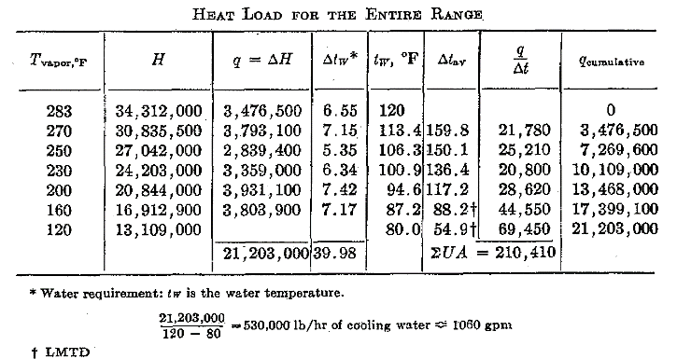
 |  | Q 270-250 F = |  | 3,786,183

Heat load untuk seluruh kisaran
 |  |  |  | fig 13.5 |  | LMTD
 | T vapor, F | H | q = delta H | delta Tw | Tw, F | delta T av | q/delta T | q cummulative
 | 283 | 34,312,000 | 3,476,500 | 6.55 | 120
 | 270 | 30,835,500 | 3,793,500 | 7.15 | 113.5 | 159.6 | 21,785.9 | 3,476,500
 | 250 | 27,042,000 | 2,839,000 | 5.35 | 106.3 | 149.7 | 25,338.2 | 7,270,000
 | 230 | 24,203,000 | 3,359,000 | 6.34 | 101.0 | 136.0 | 20,877.9 | 10,109,000
 | 200 | 20,844,000 | 3,931,100 | 7.42 | 94.6 | 116.3 | 28,888.4 | 13,468,000
 | 160 | 16,912,900 | 3,803,900 | 7.17 | 87.2 | 87.0 | 45,208.1 | 17,399,100
 | 120 | 13,109,000 |  |  | 80.0 | 52.9 | 71,855.8 | 21,203,000
 |  |  | 21,203,000 | 39.98 |  |  | 213,954.3

